Datailed Inquiry Information
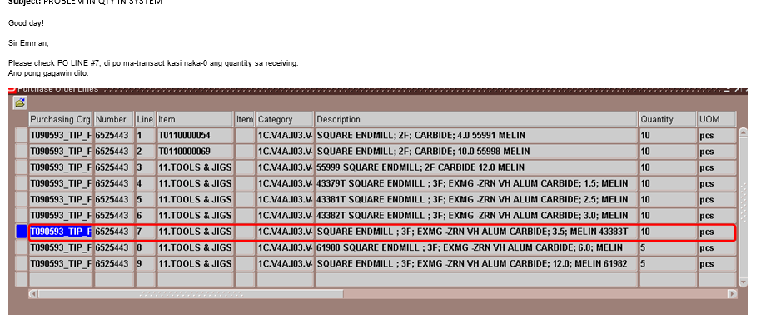
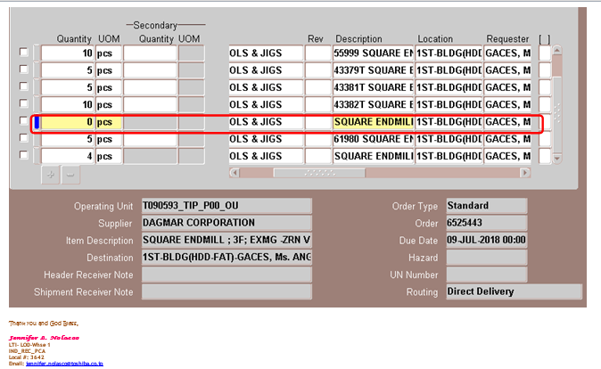
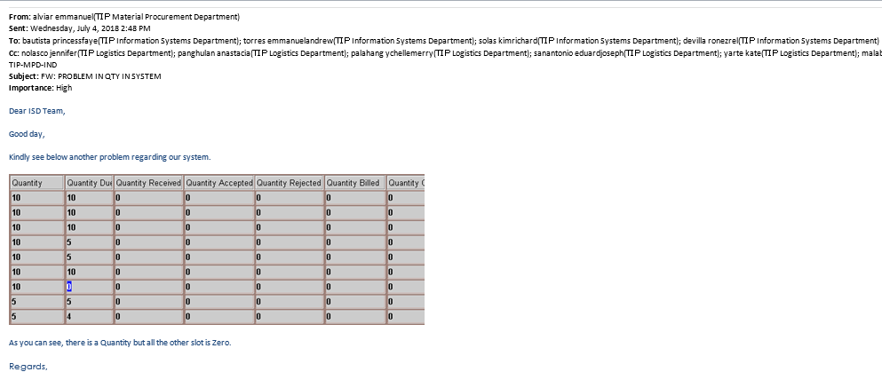
Detailed Inquiry Information

Detailed Investigation Result
Detailed Investigation Result

 | Standard PO

Po Lines is still open.
Quantity Due = Zero

 |  | SELECT PHA.SEGMENT1 PO_NUMBER, pha.po_header_id, RTI.ITEM_DESCRIPTION, RTI.QUANTITY RCV_IF_QTY
 |  | ,PLLA.QUANTITY PO_LINE_QTY, PLLA.QUANTITY_RECEIVED PO_LINE_QTY_RCV, PLLA.QUANTITY_BILLED PO_LINE_QTY_BILLED
 |  | ,RTI.TRANSACTION_TYPE, RTI.AUTO_TRANSACT_CODE, RTI.TRANSACTION_DATE, RTI.PROCESSING_STATUS_CODE, RTI.TRANSACTION_STATUS_CODE,
 |  | PHA.CLOSED_CODE
 |  | FROM APPS.RCV_TRANSACTIONS_INTERFACE RTI,
 |  | APPS.PO_HEADERS_ALL PHA,
 |  | APPS.PO_LINE_LOCATIONS_ALL PLLA
 |  | WHERE RTI.PO_HEADER_ID = PHA.PO_HEADER_ID
 |  | AND RTI.PO_LINE_LOCATION_ID = PLLA.LINE_LOCATION_ID

 |  | PO_NUMBER | ITEM_DESCRIPTION | RCV_IF_QTY | PO_LINE_QTY | PO_LINE_QTY_RCV | PO_LINE_QTY_BILLED | TRANSACTION_TYPE | AUTO_TRANSACT_CODE | PROCESSING_STATUS_CODE | TRANSACTION_STATUS_CODE | CLOSED_CODE
 |  | 6525443 | 43379T SQUARE ENDMILL ; 3F; EXMG -ZRN VH ALUM CARBIDE; 1.5; MELIN | 5 | 10 | 0 | 0 | RECEIVE | DELIVER | PENDING | PENDING | OPEN
 |  | 6525443 | 43381T SQUARE ENDMILL ; 3F; EXMG -ZRN VH ALUM CARBIDE; 2.5; MELIN | 5 | 10 | 0 | 0 | RECEIVE | DELIVER | PENDING | PENDING | OPEN
 |  | 6525443 | SQUARE ENDMILL ; 3F; EXMG -ZRN VH ALUM CARBIDE; 3.5; MELIN 43383T | 10 | 10 | 0 | 0 | RECEIVE | DELIVER | PENDING | PENDING | OPEN
 |  | 6525443 | SQUARE ENDMILL ; 3F; EXMG -ZRN VH ALUM CARBIDE; 12.0; MELIN 61982 | 1 | 5 | 0 | 0 | RECEIVE | DELIVER | PENDING | PENDING | OPEN

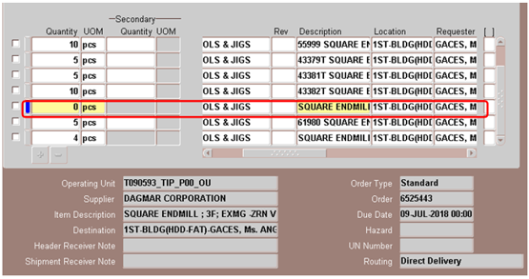

 |  | Recovery:

 |  |  | #1 check sql | select *
 |  |  |  | from apps.rcv_transactions_interface
 |  |  |  | where INTERFACE_TRANSACTION_ID IN(6243722,6243723,6243726,6243725)

 |  |  | #2 delete sql | delete from apps.rcv_transactions_interface
 |  |  |  | where INTERFACE_TRANSACTION_ID IN(6243722,6243723,6243726,6243725)

 | Back-up of RCV_TRANSACTIONS_INTERFACE

 | INTERFACE_TRANSACTION_ID | GROUP_ID | LAST_UPDATE_DATE | LAST_UPDATED_BY | CREATION_DATE | CREATED_BY | LAST_UPDATE_LOGIN | REQUEST_ID | PROGRAM_APPLICATION_ID | PROGRAM_ID | PROGRAM_UPDATE_DATE | TRANSACTION_TYPE | TRANSACTION_DATE | PROCESSING_STATUS_CODE | PROCESSING_MODE_CODE | PROCESSING_REQUEST_ID | TRANSACTION_STATUS_CODE | CATEGORY_ID | QUANTITY | UNIT_OF_MEASURE | INTERFACE_SOURCE_CODE | INTERFACE_SOURCE_LINE_ID | INV_TRANSACTION_ID | ITEM_ID | ITEM_DESCRIPTION | ITEM_REVISION | UOM_CODE | EMPLOYEE_ID | AUTO_TRANSACT_CODE | SHIPMENT_HEADER_ID | SHIPMENT_LINE_ID | SHIP_TO_LOCATION_ID | PRIMARY_QUANTITY | PRIMARY_UNIT_OF_MEASURE | RECEIPT_SOURCE_CODE | VENDOR_ID | VENDOR_SITE_ID | FROM_ORGANIZATION_ID | FROM_SUBINVENTORY | TO_ORGANIZATION_ID | INTRANSIT_OWNING_ORG_ID | ROUTING_HEADER_ID | ROUTING_STEP_ID | SOURCE_DOCUMENT_CODE | PARENT_TRANSACTION_ID | PO_HEADER_ID | PO_REVISION_NUM | PO_RELEASE_ID | PO_LINE_ID | PO_LINE_LOCATION_ID | PO_UNIT_PRICE | CURRENCY_CODE | CURRENCY_CONVERSION_TYPE | CURRENCY_CONVERSION_RATE | CURRENCY_CONVERSION_DATE | PO_DISTRIBUTION_ID | REQUISITION_LINE_ID | REQ_DISTRIBUTION_ID | CHARGE_ACCOUNT_ID | SUBSTITUTE_UNORDERED_CODE | RECEIPT_EXCEPTION_FLAG | ACCRUAL_STATUS_CODE | INSPECTION_STATUS_CODE | INSPECTION_QUALITY_CODE | DESTINATION_TYPE_CODE | DELIVER_TO_PERSON_ID | LOCATION_ID | DELIVER_TO_LOCATION_ID | SUBINVENTORY | LOCATOR_ID | WIP_ENTITY_ID | WIP_LINE_ID | DEPARTMENT_CODE | WIP_REPETITIVE_SCHEDULE_ID | WIP_OPERATION_SEQ_NUM | WIP_RESOURCE_SEQ_NUM | BOM_RESOURCE_ID | SHIPMENT_NUM | FREIGHT_CARRIER_CODE | BILL_OF_LADING | PACKING_SLIP | SHIPPED_DATE | EXPECTED_RECEIPT_DATE | ACTUAL_COST | TRANSFER_COST | TRANSPORTATION_COST | TRANSPORTATION_ACCOUNT_ID | NUM_OF_CONTAINERS | WAYBILL_AIRBILL_NUM | VENDOR_ITEM_NUM | VENDOR_LOT_NUM | RMA_REFERENCE | COMMENTS | ATTRIBUTE_CATEGORY | ATTRIBUTE1 | ATTRIBUTE2 | ATTRIBUTE3 | ATTRIBUTE4 | ATTRIBUTE5 | ATTRIBUTE6 | ATTRIBUTE7 | ATTRIBUTE8 | ATTRIBUTE9 | ATTRIBUTE10 | ATTRIBUTE11 | ATTRIBUTE12 | ATTRIBUTE13 | ATTRIBUTE14 | ATTRIBUTE15 | SHIP_HEAD_ATTRIBUTE_CATEGORY | SHIP_HEAD_ATTRIBUTE1 | SHIP_HEAD_ATTRIBUTE2 | SHIP_HEAD_ATTRIBUTE3 | SHIP_HEAD_ATTRIBUTE4 | SHIP_HEAD_ATTRIBUTE5 | SHIP_HEAD_ATTRIBUTE6 | SHIP_HEAD_ATTRIBUTE7 | SHIP_HEAD_ATTRIBUTE8 | SHIP_HEAD_ATTRIBUTE9 | SHIP_HEAD_ATTRIBUTE10 | SHIP_HEAD_ATTRIBUTE11 | SHIP_HEAD_ATTRIBUTE12 | SHIP_HEAD_ATTRIBUTE13 | SHIP_HEAD_ATTRIBUTE14 | SHIP_HEAD_ATTRIBUTE15 | SHIP_LINE_ATTRIBUTE_CATEGORY | SHIP_LINE_ATTRIBUTE1 | SHIP_LINE_ATTRIBUTE2 | SHIP_LINE_ATTRIBUTE3 | SHIP_LINE_ATTRIBUTE4 | SHIP_LINE_ATTRIBUTE5 | SHIP_LINE_ATTRIBUTE6 | SHIP_LINE_ATTRIBUTE7 | SHIP_LINE_ATTRIBUTE8 | SHIP_LINE_ATTRIBUTE9 | SHIP_LINE_ATTRIBUTE10 | SHIP_LINE_ATTRIBUTE11 | SHIP_LINE_ATTRIBUTE12 | SHIP_LINE_ATTRIBUTE13 | SHIP_LINE_ATTRIBUTE14 | SHIP_LINE_ATTRIBUTE15 | USSGL_TRANSACTION_CODE | GOVERNMENT_CONTEXT | REASON_ID | DESTINATION_CONTEXT | SOURCE_DOC_QUANTITY | SOURCE_DOC_UNIT_OF_MEASURE | MOVEMENT_ID | HEADER_INTERFACE_ID | VENDOR_CUM_SHIPPED_QTY | ITEM_NUM | DOCUMENT_NUM | DOCUMENT_LINE_NUM | TRUCK_NUM | SHIP_TO_LOCATION_CODE | CONTAINER_NUM | SUBSTITUTE_ITEM_NUM | NOTICE_UNIT_PRICE | ITEM_CATEGORY | LOCATION_CODE | VENDOR_NAME | VENDOR_NUM | VENDOR_SITE_CODE | FROM_ORGANIZATION_CODE | TO_ORGANIZATION_CODE | INTRANSIT_OWNING_ORG_CODE | ROUTING_CODE | ROUTING_STEP | RELEASE_NUM | DOCUMENT_SHIPMENT_LINE_NUM | DOCUMENT_DISTRIBUTION_NUM | DELIVER_TO_PERSON_NAME | DELIVER_TO_LOCATION_CODE | USE_MTL_LOT | USE_MTL_SERIAL | LOCATOR | REASON_NAME | VALIDATION_FLAG | SUBSTITUTE_ITEM_ID | QUANTITY_SHIPPED | QUANTITY_INVOICED | TAX_NAME | TAX_AMOUNT | REQ_NUM | REQ_LINE_NUM | REQ_DISTRIBUTION_NUM | WIP_ENTITY_NAME | WIP_LINE_CODE | RESOURCE_CODE | SHIPMENT_LINE_STATUS_CODE | BARCODE_LABEL | TRANSFER_PERCENTAGE | QA_COLLECTION_ID | COUNTRY_OF_ORIGIN_CODE | OE_ORDER_HEADER_ID | OE_ORDER_LINE_ID | CUSTOMER_ID | CUSTOMER_SITE_ID | CUSTOMER_ITEM_NUM | CREATE_DEBIT_MEMO_FLAG | PUT_AWAY_RULE_ID | PUT_AWAY_STRATEGY_ID | LPN_ID | TRANSFER_LPN_ID | COST_GROUP_ID | MOBILE_TXN | MMTT_TEMP_ID | TRANSFER_COST_GROUP_ID | SECONDARY_QUANTITY | SECONDARY_UNIT_OF_MEASURE | SECONDARY_UOM_CODE | QC_GRADE | FROM_LOCATOR | FROM_LOCATOR_ID | PARENT_SOURCE_TRANSACTION_NUM | INTERFACE_AVAILABLE_QTY | INTERFACE_TRANSACTION_QTY | INTERFACE_AVAILABLE_AMT | INTERFACE_TRANSACTION_AMT | LICENSE_PLATE_NUMBER | SOURCE_TRANSACTION_NUM | TRANSFER_LICENSE_PLATE_NUMBER | LPN_GROUP_ID | ORDER_TRANSACTION_ID | CUSTOMER_ACCOUNT_NUMBER | CUSTOMER_PARTY_NAME | OE_ORDER_LINE_NUM | OE_ORDER_NUM | PARENT_INTERFACE_TXN_ID | CUSTOMER_ITEM_ID | AMOUNT | JOB_ID | TIMECARD_ID | TIMECARD_OVN | ERECORD_ID | PROJECT_ID | TASK_ID | ASN_ATTACH_ID | ORG_ID | OPERATING_UNIT | REQUESTED_AMOUNT | MATERIAL_STORED_AMOUNT | AMOUNT_SHIPPED | MATCHING_BASIS | REPLENISH_ORDER_LINE_ID | EXPRESS_TRANSACTION | LCM_SHIPMENT_LINE_ID | UNIT_LANDED_COST | LCM_ADJUSTMENT_NUM

 | 6243722 | 234022 | 7/3/18 | 12530 | 7/3/18 | 12530 | 12530 |  |  |  |  | RECEIVE | 7/3/18 | PENDING | ONLINE |  | PENDING | 1126 | 5 | pcs | RCV |  |  | 204002 | 43379T SQUARE ENDMILL ; 3F; EXMG -ZRN VH ALUM CARBIDE; 1.5; MELIN |  | PCE | 19707 | DELIVER | 6906065 |  | 230 | 5 | pcs | VENDOR | 9161 | 9571 |  |  | 102 |  | 3 | 1 | PO |  | 6778442 | 0 |  | 6574561 | 8019142 | 2540 | PHP | 1000 | 0.018725189124 | 2018-07-03 | 6624519 |  |  |  |  |  |  | NOT INSPECTED |  | EXPENSE | 18973 | 230 | 230 |  |  |  |  |  |  |  |  |  |  |  |  |  |  | 2018-07-09 |  |  |  |  |  |  |  |  |  |  |  | DR-09194 |  |  |  |  |  |  |  |  |  |  |  |  |  |  |  |  |  |  |  |  |  |  |  |  |  |  |  |  |  |  |  |  |  |  |  |  |  |  |  |  |  |  |  |  |  |  |  |  |  | EXPENSE | 5 | pcs |  |  |  |  |  |  |  |  |  |  |  |  |  |  |  |  |  |  |  |  |  |  |  |  |  |  | 1 | 1 |  |  |  |  |  |  |  |  |  |  |  |  |  |  |  |  |  |  | PH |  |  |  |  |  |  |  |  |  |  |  |  |  |  |  |  |  |  |  |  |  |  |  |  |  |  |  |  |  |  |  |  |  |  |  |  |  |  |  |  |  |  |  |  | 101
 | 6243723 | 234022 | 7/3/18 | 12530 | 7/3/18 | 12530 | 12530 |  |  |  |  | RECEIVE | 7/3/18 | PENDING | ONLINE |  | PENDING | 1126 | 5 | pcs | RCV |  |  | 204002 | 43381T SQUARE ENDMILL ; 3F; EXMG -ZRN VH ALUM CARBIDE; 2.5; MELIN |  | PCE | 19707 | DELIVER | 6906065 |  | 230 | 5 | pcs | VENDOR | 9161 | 9571 |  |  | 102 |  | 3 | 1 | PO |  | 6778442 | 0 |  | 6574562 | 8019143 | 2586 | PHP | 1000 | 0.018725189124 | 2018-07-03 | 6624520 |  |  |  |  |  |  | NOT INSPECTED |  | EXPENSE | 18973 | 230 | 230 |  |  |  |  |  |  |  |  |  |  |  |  |  |  | 2018-07-09 |  |  |  |  |  |  |  |  |  |  |  | DR-09194 |  |  |  |  |  |  |  |  |  |  |  |  |  |  |  |  |  |  |  |  |  |  |  |  |  |  |  |  |  |  |  |  |  |  |  |  |  |  |  |  |  |  |  |  |  |  |  |  |  | EXPENSE | 5 | pcs |  |  |  |  |  |  |  |  |  |  |  |  |  |  |  |  |  |  |  |  |  |  |  |  |  |  | 1 | 1 |  |  |  |  |  |  |  |  |  |  |  |  |  |  |  |  |  |  | PH |  |  |  |  |  |  |  |  |  |  |  |  |  |  |  |  |  |  |  |  |  |  |  |  |  |  |  |  |  |  |  |  |  |  |  |  |  |  |  |  |  |  |  |  | 101
 | 6243726 | 234022 | 7/3/18 | 12530 | 7/3/18 | 12530 | 12530 |  |  |  |  | RECEIVE | 7/3/18 | PENDING | ONLINE |  | PENDING | 1126 | 10 | pcs | RCV |  |  | 204002 | SQUARE ENDMILL ; 3F; EXMG -ZRN VH ALUM CARBIDE; 3.5; MELIN 43383T |  | PCE | 19707 | DELIVER | 6906065 |  | 230 | 10 | pcs | VENDOR | 9161 | 9571 |  |  | 102 |  | 3 | 1 | PO |  | 6778442 | 0 |  | 6574564 | 8019145 | 2795 | PHP | 1000 | 0.018725189124 | 2018-07-03 | 6624522 |  |  |  |  |  |  | NOT INSPECTED |  | EXPENSE | 18973 | 230 | 230 |  |  |  |  |  |  |  |  |  |  |  |  |  |  | 2018-07-09 |  |  |  |  |  |  |  |  |  |  |  | DR-09194 |  |  |  |  |  |  |  |  |  |  |  |  |  |  |  |  |  |  |  |  |  |  |  |  |  |  |  |  |  |  |  |  |  |  |  |  |  |  |  |  |  |  |  |  |  |  |  |  |  | EXPENSE | 10 | pcs |  |  |  |  |  |  |  |  |  |  |  |  |  |  |  |  |  |  |  |  |  |  |  |  |  |  | 1 | 1 |  |  |  |  |  |  |  |  |  |  |  |  |  |  |  |  |  |  | PH |  |  |  |  |  |  |  |  |  |  |  |  |  |  |  |  |  |  |  |  |  |  |  |  |  |  |  |  |  |  |  |  |  |  |  |  |  |  |  |  |  |  |  |  | 101
 | 6243725 | 234022 | 7/3/18 | 12530 | 7/3/18 | 12530 | 12530 |  |  |  |  | RECEIVE | 7/3/18 | PENDING | ONLINE |  | PENDING | 1126 | 1 | pcs | RCV |  |  | 204002 | SQUARE ENDMILL ; 3F; EXMG -ZRN VH ALUM CARBIDE; 12.0; MELIN 61982 |  | PCE | 19707 | DELIVER | 6906065 |  | 230 | 1 | pcs | VENDOR | 9161 | 9571 |  |  | 102 |  | 3 | 1 | PO |  | 6778442 | 0 |  | 6574566 | 8019147 | 2741 | PHP | 1000 | 0.018725189124 | 2018-07-03 | 6624524 |  |  |  |  |  |  | NOT INSPECTED |  | EXPENSE | 18973 | 230 | 230 |  |  |  |  |  |  |  |  |  |  |  |  |  |  | 2018-07-09 |  |  |  |  |  |  |  |  |  |  |  | DR-09194 |  |  |  |  |  |  |  |  |  |  |  |  |  |  |  |  |  |  |  |  |  |  |  |  |  |  |  |  |  |  |  |  |  |  |  |  |  |  |  |  |  |  |  |  |  |  |  |  |  | EXPENSE | 1 | pcs |  |  |  |  |  |  |  |  |  |  |  |  |  |  |  |  |  |  |  |  |  |  |  |  |  |  | 1 | 1 |  |  |  |  |  |  |  |  |  |  |  |  |  |  |  |  |  |  | PH |  |  |  |  |  |  |  |  |  |  |  |  |  |  |  |  |  |  |  |  |  |  |  |  |  |  |  |  |  |  |  |  |  |  |  |  |  |  |  |  |  |  |  |  | 101

